Indicators
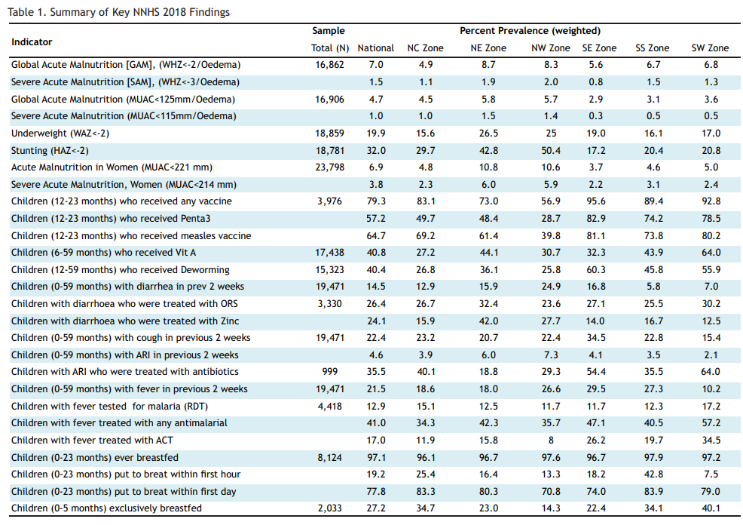
Abbr | Survey name | Variables | name
NNHS | National Nutrition and Health Survey | Received any vaccination | chanyvacc
NNHS | National Nutrition and Health Survey | Received dpt | chdpt
NNHS | National Nutrition and Health Survey | Number of times dpt/penta received | chdptx
 |  | Children (0-5 months) exclusively breastfed

